Future Value FV
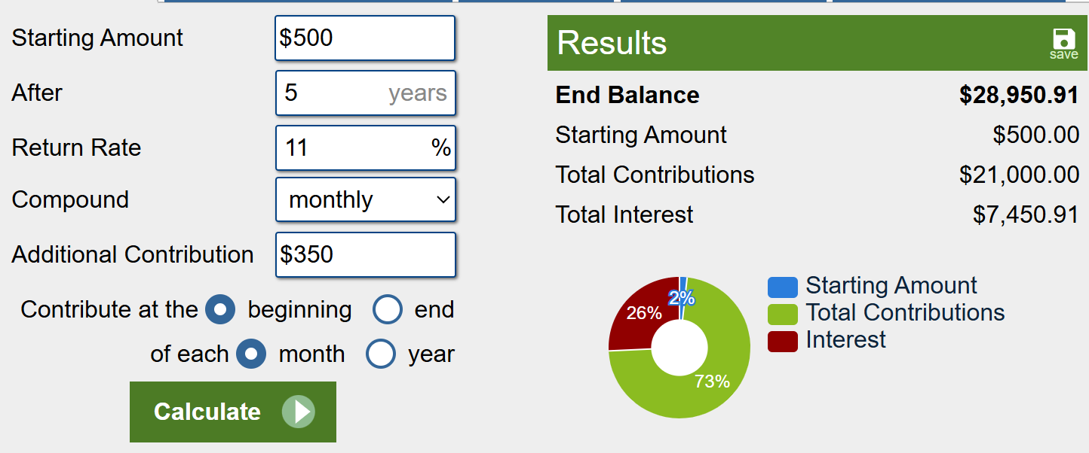
Calculate the future value of an investment
Compounding Monthly Interest
Fixed Interest Rate and Constant payments

Interest Rate
# of Monthly Payments
Monthly Deposits
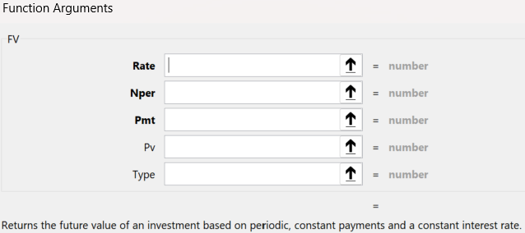
Present Value
Type

Future Value

Payment Calculator PMT
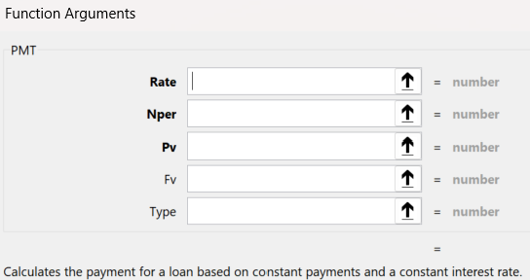

Interest Rate
# of Payments
Present Value

Payments/Month

